Sheet1
 |  | Document No. | Issue No. | Issue Date |  | Review and Replace Date |  | Authorised By
 |  | GFF378MC | 1 | 08.11.2022 |  | New doument |  | Magda Shah
 |  | Document Title | Booths Party Platter | 1491G

Document amendments reason for change |  | New doument | Page 1 of 1 |  | Previous Issue Date |  | New doument | Uncontrolled copy unless signed original

CPPLA-B6TEB | BOOTHS-XMAS |  |  | Booths Party Platter | 1491G | CHILLED
PRODUCT 1 |  |  |  |  | PRODUCT 2
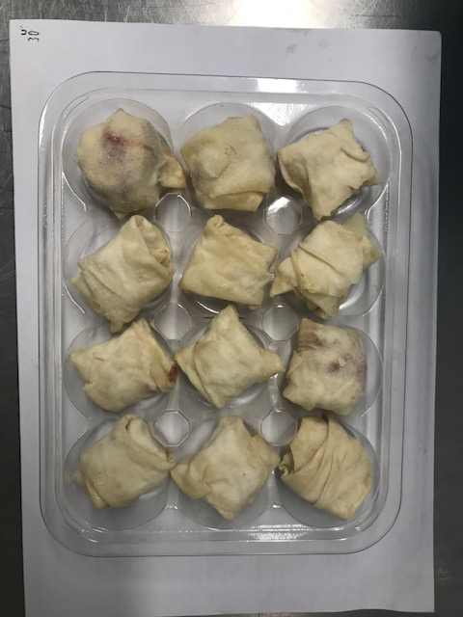 |  |  |  |  | 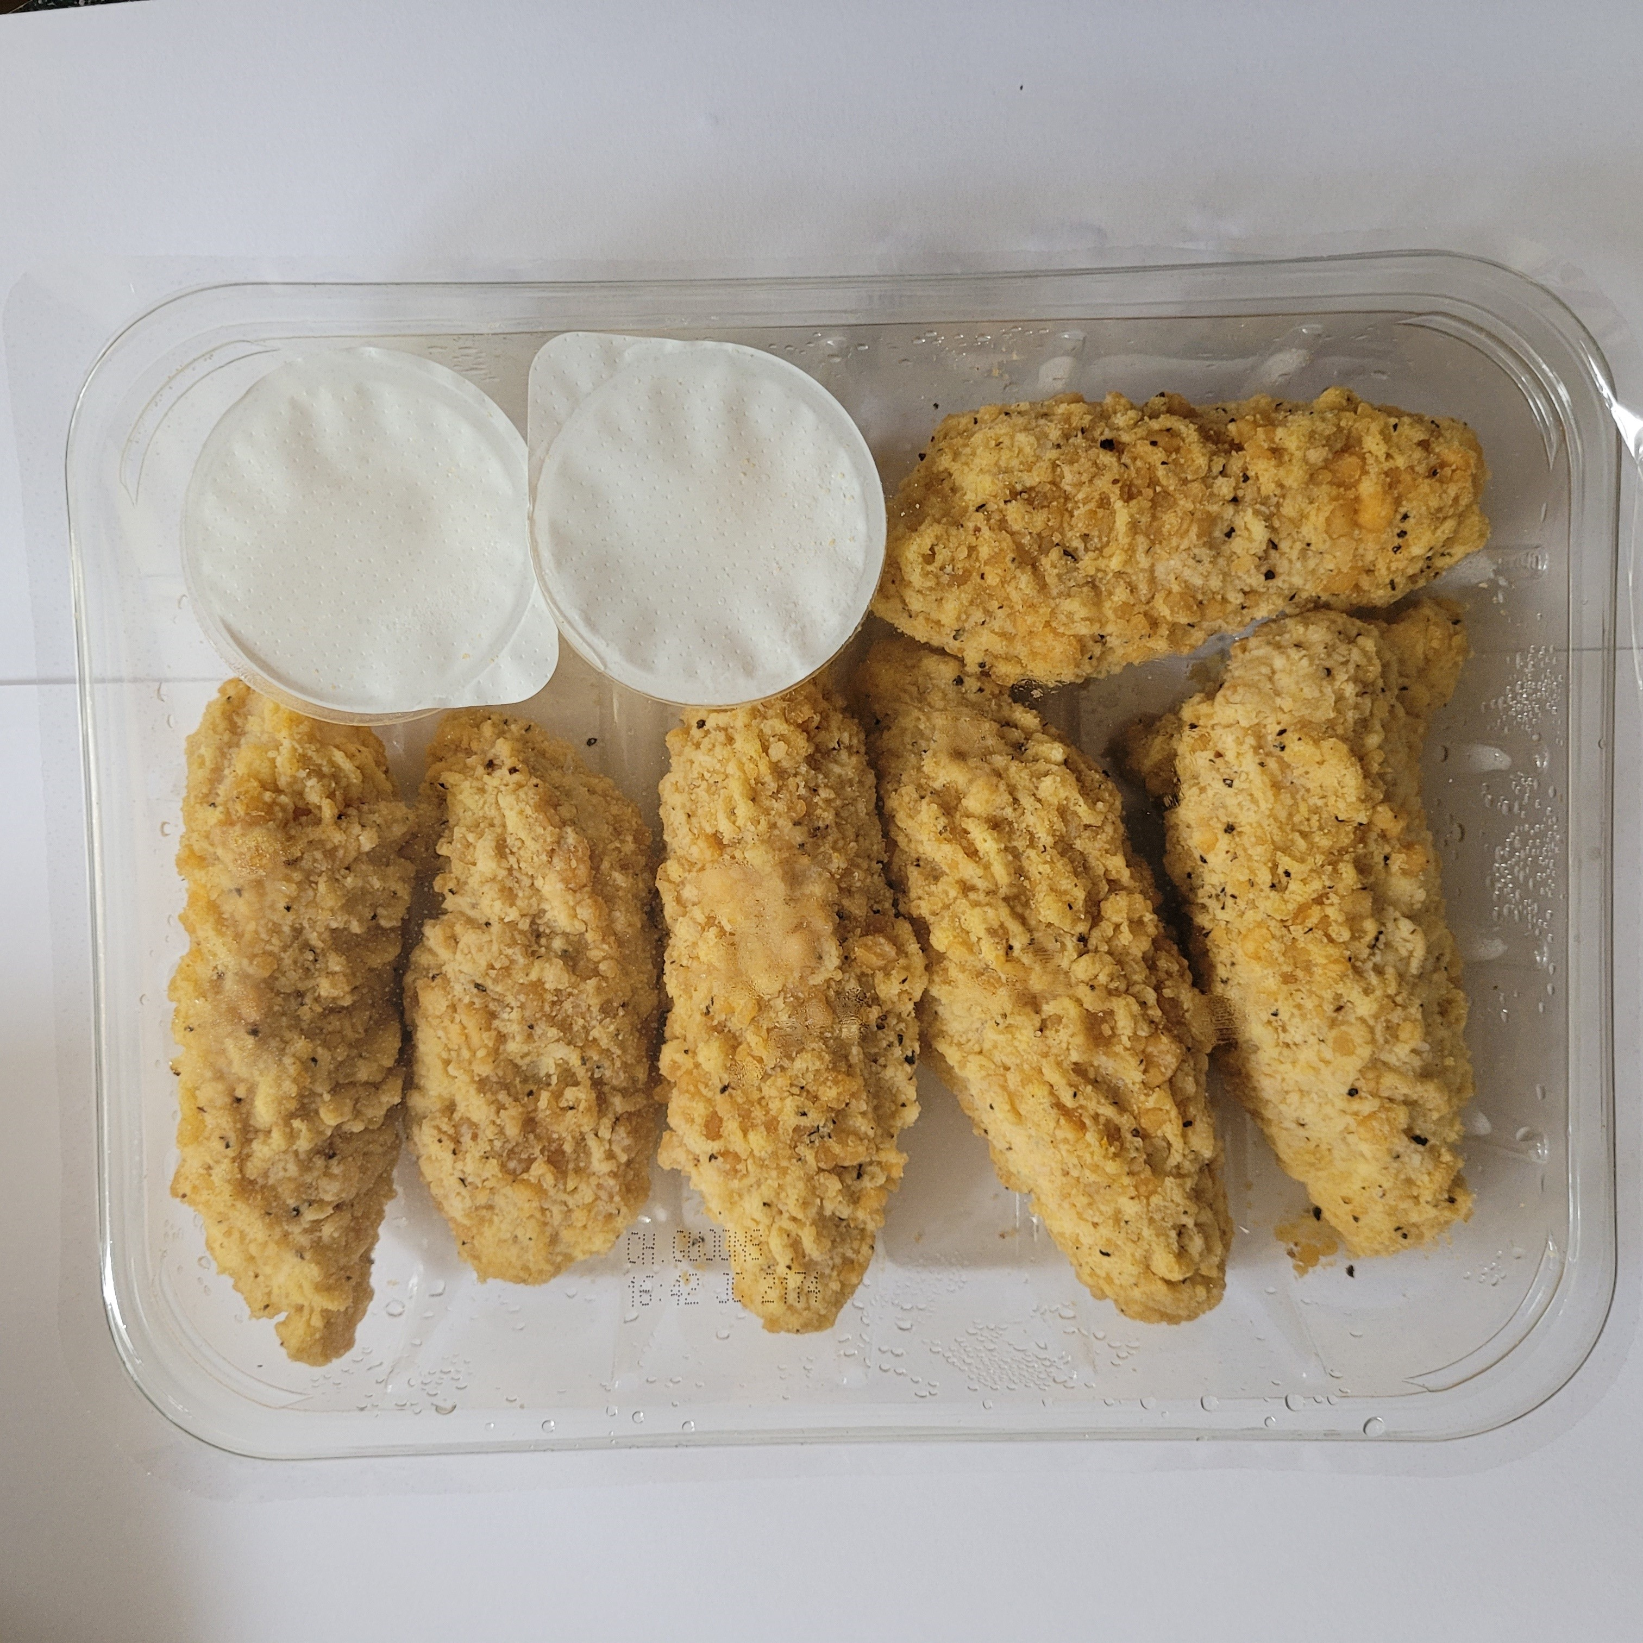

12 Lancashire Cheese & Plum Parcels:240g |  |  |  |  | Southern Fried Chicken Goujons W/Garlic Mayo: 350g
Tray: C5 12 CAV Round - CLEAR (PKHOL001-06) |  |  |  |  | Tray: C5E CLEAR (PKHOL001-07)
Film: K-peel 7G+25A/f-275mm (PKKMP001-03) |  |  |  |  | Film:K-peel 7G+25A/f-275mm (PKKMP001-03)
Allergens: MILK, WHEAT |  |  |  |  | Allergens: MILK,EGG,WHEAT,EGG,MUSTARD
PRODUCT 3 |  |  |  |  | PRODUCT 4
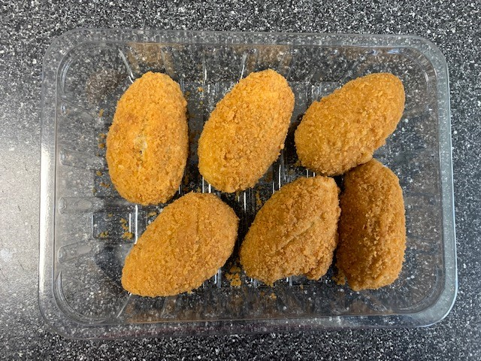 |  |  |  |  | 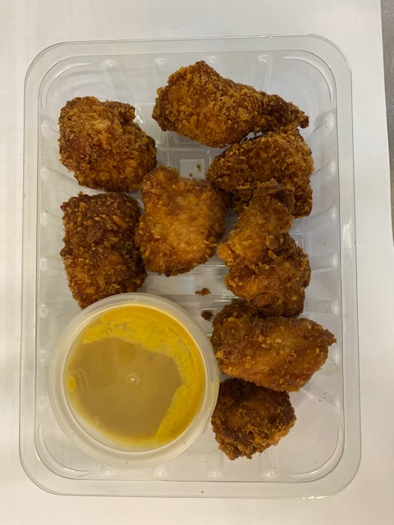

6 STUFFED JALAPENO PEPPERS : 220g |  |  |  |  | 8 Katsu Chicken Bites With Katsu Dip:240g
Tray: SK4-Plain Clear (PKESS001-07) |  |  |  |  | Tray: SK4-PLAIN CLEAR (PKESS001-07)||Satco 2oz Pots with Lids (PKJEN001-03)
Film: K-peel 7G+25A/f-275mm (PKKMP001-03) |  |  |  |  | Film: K-peel 7G+25A/f-275mm (PKKMP001-03)
Allergens: MILK, WHEAT |  |  |  |  | Allergens: MUSTARD, SOYA, WHEAT
PRODUCT 5 |  |  |  |  | PRODUCT 6
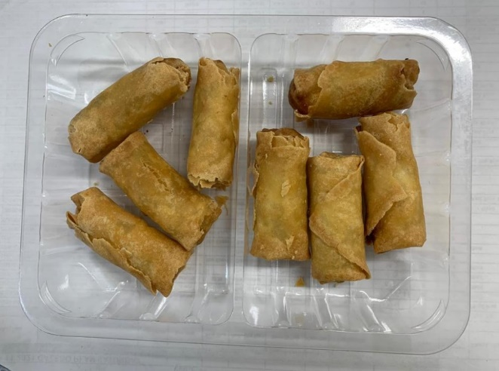 |  |  |  |  | 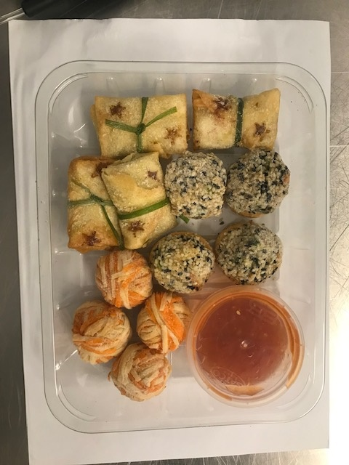

8 Lemongrass & Vegetables Spring Rolls :165g |  |  |  |  | 12 ORIENTAL SELECTION WITH SWEET CHILLI DIP: 276g
Tray: SK4 - Split (PKESS001-06) |  |  |  |  | Tray: C5E CLEAR (PKHOL001-07) |Satco 2oz Pots with Lids (PKJEN001-03)
Film: K-peel 7G+25A/f-275mm (PKKMP001-03) |  |  |  |  | Film: K-peel 7G+25A/f-275mm (PKKMP001-03)
Allergens: WHEAT, SOYA, SESAME |  |  |  |  | Allergens: BARLEY, CRUSTACEAN, SOYA, SESAME, WHEAT

